PROD
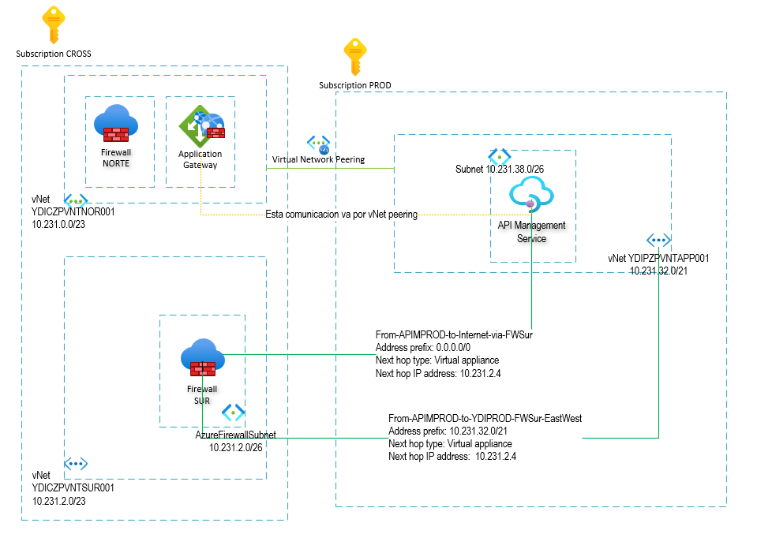
Nombre de Tabla de Ruteo | YDIPZPUDRINF001 | Workloads PROD
Resource Group | YDIPZPRGPINF001
Suscripcion | YDI PRO
VNET YDIPZPVNTAPP001 | 10.231.32.0/21
Rutas
Name | Address prefix | Next hop type | Next hop IP address | Obs
From-YDIPROD-to-Internet-via-FWSur | 0.0.0.0/0 | Virtual appliance | 10.231.2.4 | Egress de Backends PROD a Internet via FW Sur 10.231.2.4 (NAT/IDPS/logs).
From-YDIPROD-to-YDIPROD-FWSur-EastWest | 10.231.32.0/21 | Virtual appliance | 10.231.2.4 | Desde Workloads PROD (Todas las Subnets decladadas), tráfico hacia subnets internas PROD (10.231.32.0/21) pasa por el FW SUR (10.231.2.4) para inspección/control east-west.
Subnets
Name | Address range | Virtual network | Security group | Obs
YDIPZPSNBSTA001 | 10.231.38.64/26 | YDIPZPVNTAPP001 | ydipzpnsgsta001
YDIPZPSNBADF001 | 10.231.36.128/26 | YDIPZPVNTAPP001 | ydipzpnsgadf001
YDIPZPSNBSQL001 | 10.231.37.192/26 | YDIPZPVNTAPP001 | ydipzpnsgsql001
YDIPZPSNBSBNS001 | 10.231.37.64/26 | YDIPZPVNTAPP001 | ydipzpnsgsbns001
YDIPZPSNBFUNC001 | 10.231.37.0/26 | YDIPZPVNTAPP001 | ydipzpnsgfunc001
YDIPZPSNBCDB001 | 10.231.36.192/26 | YDIPZPVNTAPP001 | ydipzpnsgcdb001
YDIPZPSNBREDI001 | 10.231.36.64/26 | YDIPZPVNTAPP001 | ydipzpnsgredi001
YDIPZPSNBASE001 | 10.231.36.0/26 | YDIPZPVNTAPP001 | ydipzpnsgase001
YDIPZPSNBPEP001 | 10.231.32.0/23 | YDIPZPVNTAPP001 | ydipzpnsgpep001 | NO SE AGREGA SUBNET DE PE EN UDR
YDIPZPSNBARO001 | 10.231.34.0/24 | YDIPZPVNTAPP001 | ydipzpnsgaro001
YDIPZPSNBARO002 | 10.231.35.0/24 | YDIPZPVNTAPP001 | ydipzpnsgaro002

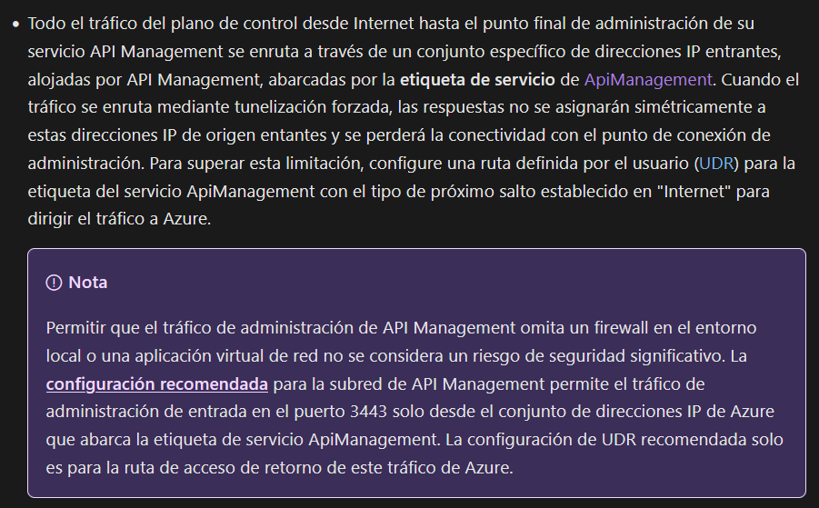
Nombre de Tabla de Ruteo | YDIPZPUDRINF002 | APIM PROD
Resource Group | YDIPZPRGPINF001
Suscripcion | YDI PRO
VNET YDIPZPVNTAPP001 | 10.231.32.0/21
Rutas
Name | Address prefix | Next hop type | Next hop IP address | Obs
From-APIMPROD-to-Internet-via-FWSur | 0.0.0.0/0 | Virtual appliance | 10.231.2.4 | Egress de APIM PROD a Internet via FW Sur 10.231.2.4
From-APIMPROD-to-YDIPROD-FWSur-EastWest | 10.231.32.0/21 | Virtual appliance | 10.231.2.4 | APIM PROD → Backends PROD via FW Sur 10.231.2.4 (inspección east‑west).
To-ApiManagement-Internet | ApiManagement | Internet | - | Desde APIM el tráfico hacia el Service Tag ApiManagement va directo a Internet para permitir comunicación con el control plane y servicios gestionados. https://learn.microsoft.com/en-us/azure/api-management/api-management-using-with-internal-vnet#routing
Subnets
Name | Address range | Virtual network | Security group | Obs
YDIPZPSNBAPIM001 | 10.231.38.0/26 | YDIPZPVNTAPP001 | ydipzpnsgapim001

TABLA YDIPZPUDRINF002

